Analysis
Data Analysis

 | Female | Male | Prefer not to answer
18 - 24 | 4 | 7
25- 34 | 25 | 33
35 - 44 | 3 | 1 | 1
45 - 54 | 2 | 1
Younger than 18 | 2 | 3

Age and Gender Distribution

Count of Please indicate your gender. | Column Labels
Row Labels | Female | Male | Prefer not to answer | Grand Total
18 - 24 | 4 | 7 |  | 11
25- 34 | 25 | 33 |  | 58
35 - 44 | 3 | 1 | 1 | 5
45 - 54 | 2 | 1 |  | 3
Younger than 18 | 2 | 3 |  | 5
Grand Total | 36 | 45 | 1 | 82

Genre Preference

Please indicate your gender. | (All)

Shooting/Action | Racing games | Board/Card games | Puzzles | Sport games | Running games | Word/Trivia games | Adventure/Mystery games | Strategy games | Role-playing games
34 | 31 | 42 | 38 | 18 | 16 | 20 | 35 | 32 | 12

Row Labels | Shooting/Action | Racing games | Board/Card games | Puzzles | Sport games | Running games | Word/Trivia games | Adventure/Mystery games | Strategy games | Role-playing games
Female | 9 | 8 | 20 | 17 | 4 | 8 | 9 | 22 | 10 | 5
Male | 24 | 23 | 22 | 20 | 14 | 8 | 11 | 12 | 22 | 7
Grand Total | 33 | 31 | 42 | 37 | 18 | 16 | 20 | 34 | 32 | 12

Row Labels | Shooting/Action | Racing games | Board/Card games | Puzzles | Sport games | Running games | Word/Trivia games | Adventure/Mystery games | Strategy games | Role-playing games
18 - 24 | 4 | 6 | 4 | 3 | 1 | 1 | 2 | 4 | 3 | 3
25- 34 | 27 | 22 | 28 | 29 | 13 | 11 | 15 | 26 | 25 | 9
35 - 44 | 1 |  | 2 | 4 | 1 | 1 |  | 2 | 2
45 - 54 |  | 1 | 3 |  |  | 2 | 2 | 1
Younger than 18 | 2 | 2 | 5 | 2 | 3 | 1 | 1 | 2 | 2
Grand Total | 34 | 31 | 42 | 38 | 18 | 16 | 20 | 35 | 32 | 12

 | Shooting/Action | Racing games | Board/Card games | Puzzles | Sport games | Running games | Word/Trivia games | Adventure/Mystery games | Strategy games | Role-playing games
18 - 24 | 4 | 6 | 4 | 3 | 1 | 1 | 2 | 4 | 3 | 3
25- 34 | 27 | 22 | 28 | 29 | 13 | 11 | 15 | 26 | 25 | 9
35 - 44 | 1 |  | 2 | 4 | 1 | 1 |  | 2 | 2
45 - 54 |  | 1 | 3 |  |  | 2 | 2 | 1
Younger than 18 | 2 | 2 | 5 | 2 | 3 | 1 | 1 | 2 | 2

Gender and Playing Time

Count of Please indicate your gender. | Column Labels |  |  |  |  |  |  | Count of How often do you play these games? | Column Labels
Row Labels | 0 | 1 hour | 15 minutes | 30 minutes | Longer! | Grand Total |  | Row Labels | Daily | Few times a month | Few times a week | Few times a year | Rarely | Grand Total
Female | 2 | 5 | 11 | 15 | 2 | 35 |  | Female | 8 | 7 | 18 | 2 | 1 | 36
Male |  | 6 | 14 | 19 | 5 | 44 |  | Male | 14 | 9 | 21 |  | 1 | 45
Grand Total | 2 | 11 | 25 | 34 | 7 | 79 |  | Grand Total | 22 | 16 | 39 | 2 | 2 | 81

Sum of Count | Column Labels |  |  |  |  |  |  | Sum of Count | Column Labels
Row Labels | 0 | 1 hour | 15 minutes | 30 minutes | Longer! | Grand Total |  | Row Labels | 0 | 1 hour | 15 minutes | 30 minutes | Longer! | Grand Total
Male | 0 | 6 | 14 | 19 | 5 | 44 |  | Female | 2 | 5 | 11 | 15 | 2 | 35
Daily | 0 | 1 | 0 | 8 | 5 | 14 |  | Daily | 2 | 1 | 2 | 1 | 2 | 8
Few times a month | 0 | 2 | 5 | 2 | 0 | 9 |  | Few times a month | 0 | 2 | 2 | 3 | 0 | 7
Few times a week | 0 | 3 | 8 | 9 | 0 | 20 |  | Few times a week | 0 | 2 | 5 | 10 | 0 | 17
Few times a year | 0 | 0 | 0 | 0 | 0 | 0 |  | Few times a year | 0 | 0 | 2 | 0 | 0 | 2
Rarely | 0 | 0 | 1 | 0 | 0 | 1 |  | Rarely | 0 | 0 | 0 | 1 | 0 | 1
Grand Total | 0 | 6 | 14 | 19 | 5 | 44 |  | Grand Total | 2 | 5 | 11 | 15 | 2 | 35

Gender and Spending Pattern

Row Labels | Count of Have you ever spent money on in-app purchases?
Female | 36
Male | 45
Grand Total | 81

Gender and Social Gaming Preferences
 | Female | Male | Prefer not to answer
Both | 11 | 12 | 1
I love playing with friends/family | 12 | 21
I prefer solo games | 13 | 12
Count of Do you enjoy playing games on your own or with friends/family? | Column Labels
Row Labels | Female | Male | Prefer not to answer | Grand Total
Both | 11 | 12 | 1 | 24
I love playing with friends/family | 12 | 21 |  | 33
I prefer solo games | 13 | 12 |  | 25
Grand Total | 36 | 45 | 1 | 82

 | Female | Male | Prefer not to answer
I do not like it! | 6 | 9
I feel it's a good idea! | 8 | 16
I think it's amazing as players are always available! | 2 | 4
I would rather play with people I know! | 6 | 3 | 1
I'm OK! | 9 | 12
Yes | 3
(blank)
Count of Do you like playing games with random online players (no confidential information shared)? | Column Labels
Row Labels | Female | Male | Prefer not to answer | Grand Total
I do not like it! | 6 | 9 |  | 15
I feel it's a good idea! | 8 | 16 |  | 24
I think it's amazing as players are always available! | 2 | 4 |  | 6
I would rather play with people I know! | 6 | 3 | 1 | 10
I'm OK! | 9 | 12 |  | 21
Yes | 3 |  |  | 3
(blank)
Grand Total | 34 | 44 | 1 | 79
 | 43% | 56%

Issues Faced

Too many ads | Some games seem biased | Dependency on coins/gems and other such items to play | No, can't think of any | Others
68 | 17 | 50 | 4 | 7

 | Too many ads | Some games seem biased | Dependency on coins/gems and other such items to play | No, can't think of any | Others
Total | 68 | 17 | 50 | 4 | 7

Row Labels | Too many ads | Some games seem biased | Dependency on coins/gems and other such items to play
Female | 30 | 4 | 18
Male | 37 | 13 | 31
Prefer not to answer | 1 |  | 1
Grand Total | 68 | 17 | 50

 | Too many ads | Some games seem biased | Dependency on coins/gems and other such items to play
Female | 30 | 4 | 18
Male | 37 | 13 | 31
Prefer not to answer | 1 |  | 1

Download Pattern

Recommendations from friends/family | Facebook/Instagram or other social media platforms | Browse through app stores for games that interest you | Ads
36 | 21 | 50 | 10

Row Labels | Recommendations from friends/family | Facebook/Instagram or other social media platforms | Browse through app stores for games that interest you | Ads
Female | 18 | 8 | 19 | 3
Male | 18 | 13 | 30 | 7
Prefer not to answer |  |  | 1
Grand Total | 36 | 21 | 50 | 10

 | Recommendations from friends/family | Facebook/Instagram or other social media platforms | Browse through app stores for games that interest you | Ads
Female | 18 | 8 | 19 | 3
Male | 18 | 13 | 30 | 7
Prefer not to answer |  |  | 1

Respondent Geography

Row Labels | Count of Response ID
AE | 2
AU | 2
DE | 1
GB | 1
IN | 64
NL | 1
US | 9
(blank) | 2
Grand Total | 82

OEQ Analysis
OEQ Analysis using Word Cloud Generator
MonkeyLearn Word Cloud Generator

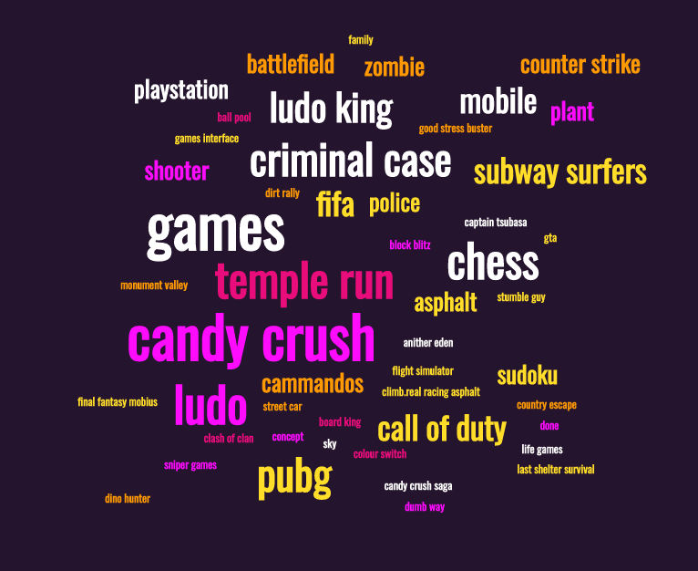
word | count | relevance
games | 12 | 0.497
candy crush | 11 | 0.994
ludo | 7 | 0.166
temple run | 6 | 0.442
chess | 6 | 0.331
criminal case | 5 | 0.552
pubg | 5 | 0.276
ludo king | 4 | 0.442
call of duty | 3 | 0.497
subway surfers | 3 | 0.331
fifa | 3 | 0.166
mobile | 3 | 0.11
counter strike | 2 | 0.221
playstation | 2 | 0.11
police | 2 | 0.11
battlefield | 2 | 0.11
shooter | 2 | 0.11
cammandos | 2 | 0.11
plant | 2 | 0.11
zombie | 2 | 0.11
sudoku | 2 | 0.11
asphalt | 2 | 0.055
final fantasy mobius | 1 | 0.166
last shelter survival | 1 | 0.166
candy crush saga | 1 | 0.166
good stress buster | 1 | 0.166
climb.real racing asphalt | 1 | 0.166
country escape | 1 | 0.11
monument valley | 1 | 0.11
captain tsubasa | 1 | 0.11
life games | 1 | 0.11
ball pool | 1 | 0.11
dirt rally | 1 | 0.11
colour switch | 1 | 0.11
dino hunter | 1 | 0.11
games interface | 1 | 0.11
block blitz | 1 | 0.11
anither eden | 1 | 0.11
flight simulator | 1 | 0.11
sniper games | 1 | 0.11
stumble guy | 1 | 0.11
dumb way | 1 | 0.11
board king | 1 | 0.11
street car | 1 | 0.11
concept | 1 | 0.055
done | 1 | 0.055
f1 | 1 | 0.055
gta | 1 | 0.055
family | 1 | 0.055
tablet | 1 | 0.055

